Print Page 1
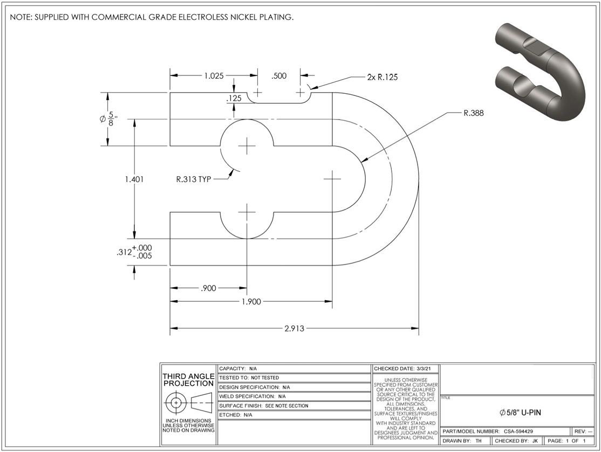

8
10
11

9
7

4

2

12

3

5

6

1

